Job Info
Orders and enquiries: sales@tradecabinets.com.au
Version 2.01 13/8/2020
Phone: 9913 9980

Job Details TC: |  |  |  |  |  | Special Instructions for Office
Client Name | Connect Kitchens
Phone | 422676137
Email | ric@connectkitchens.com.au
Job Name | Brentwood Cl
Date Ordered | 03.10.23
Date Required | ASAP
Carcass
Carcass Material |  | Other:
Carcass Edge Colour |  | Other:
Wrap Cabinets Individually
Other Materials | Supplier | Colour/Name | Finish | Thickness | Client Supply
Material 1 (C1) | Polytec | Polar White IN STOCK AT TRADES | Sheen | 16
Material 2 (C2)
Material 3 (C3)
Material 4 (C4)
Material 5 (C5)
Cabinet Requirements & Drilling -- Note: TC Std Construction (Back inside ends, Back over Top & Base) |  |  |  |  |  | Special Instructions for Design
Carcass Construction type: |  | -----------------------------------------------------------------Other:
Hinge Type: |  | ---------------------------------------------------------Other:
Drill Hinge Cups:
Std hinge Pos: |  | ------------------------------------------------------------Other:
Drawer Type 1: |  | --------------------------------------------------------Other:
Drawer Type 2: |  | ----------------------------------Other:
Drill Drawer Fronts:
Drill for Adjustable Legs:
Door Gaps: Base: |  | --------------------------------------------Other:
Door Gaps: Upper/Tall: |  | ----------------------------------------------Other:
Base Fingerpull: |  | ----------------------------------------Other:

Hardware Supply (tick as required)
Supply All hardware
Supply Hinges
Supply Drawers
Supply Adj Legs
Supply Bin
Other:
Packing/Release Info
Delivery Required |  | Adress: | Unit 2/114 Colemans Rd Carrum Downs
Wrap & Strap Pallet
Pallet Size (select) | 2400 x 1200

Corner Cabs
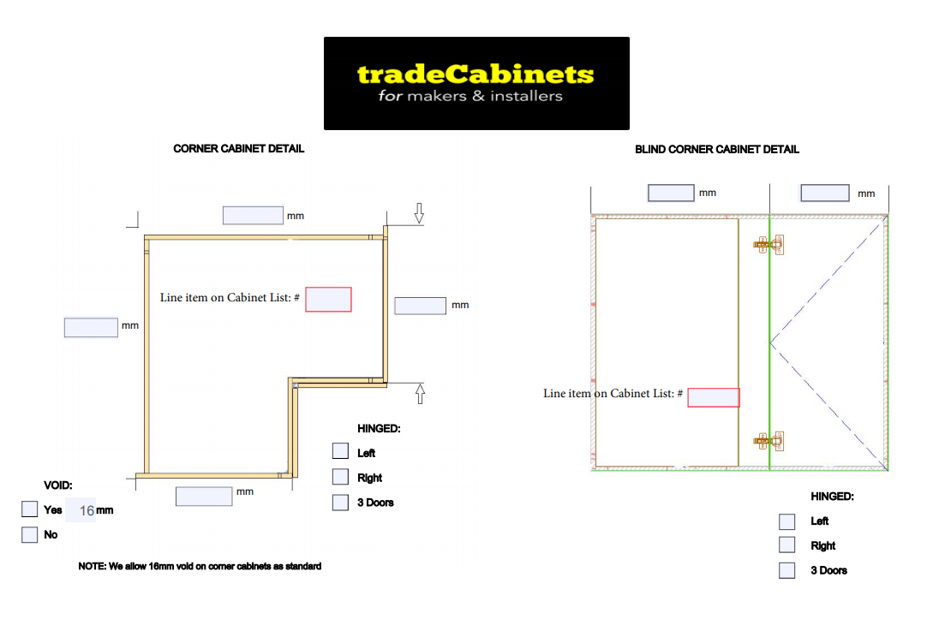
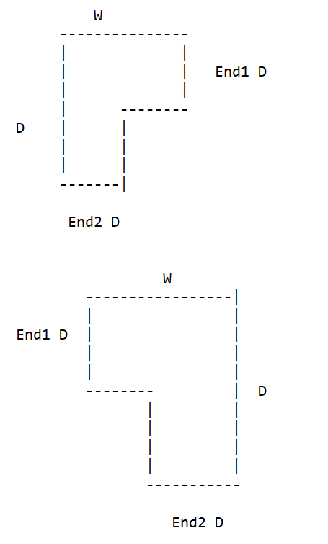

Fingerpull
