Job Info
Orders and enquiries: sales@tradecabinets.com.au
Version 2.02 01/09/2020
Phone: 9913 9980

Job Details TC: |  |  |  |  |  |  | Special Instructions for Office
Client Name | the essential kitchen
Phone | 488557777
Email | daryl@theessentialkitchen.com.au
Job Name | inverloch
Date Ordered | 2024-03-17
Date Required | asap
Carcass
Carcass Material |  | Other:
Carcass Edge Colour |  | Other:
Wrap Cabinets Individually
Other Materials | Supplier | Colour/Name | Finish | Single / Double Sided | Thickness | Client Supply
Material 1 (C1) |  | carcASE WHITE
Material 2 (C2)
Material 3 (C3)
Material 4 (C4)
Material 5 (C5)
Cabinet Requirements & Drilling -- Note: TC Std Construction (Back inside ends, Back over Top & Base) |  |  |  |  |  |  | Special Instructions for Design
Carcass Construction type: |  | -----------------------------------------------------------------Other: | solid top/backs
Hinge Type: |  | ---------------------------------------------------------Other: | blum
Drill Hinge Cups:
Std hinge Pos: |  | ------------------------------------------------------------Other: | 96mm
Drawer Type 1: |  | --------------------------------------------------------Other: | titus tekform
Drawer Type 2: |  | ----------------------------------Other:
Drill Drawer Fronts:
Drill for Adjustable Legs: |  | no
Door Gaps: Base: |  | --------------------------------------------Other:
Door Gaps: Upper/Tall: |  | ----------------------------------------------Other:
Base Fingerpull: |  | ----------------------------------------Other:

Hardware Supply (tick as required) TRADE CABINETS ARE NOT CURRENTLY SUPPLYING HARDWARE
Supply All hardware |  | TRADE CABINETS ARE NOT CURRENTLY SUPPLYING HARDWARE
Supply Hinges
Supply Drawers
Supply Adj Legs
Supply Bin
Other:
Packing/Release Info
Delivery Required |  | Adress:
Wrap & Strap Pallet
Pallet Size (select) | Select Pallet Size

Corner Cabs
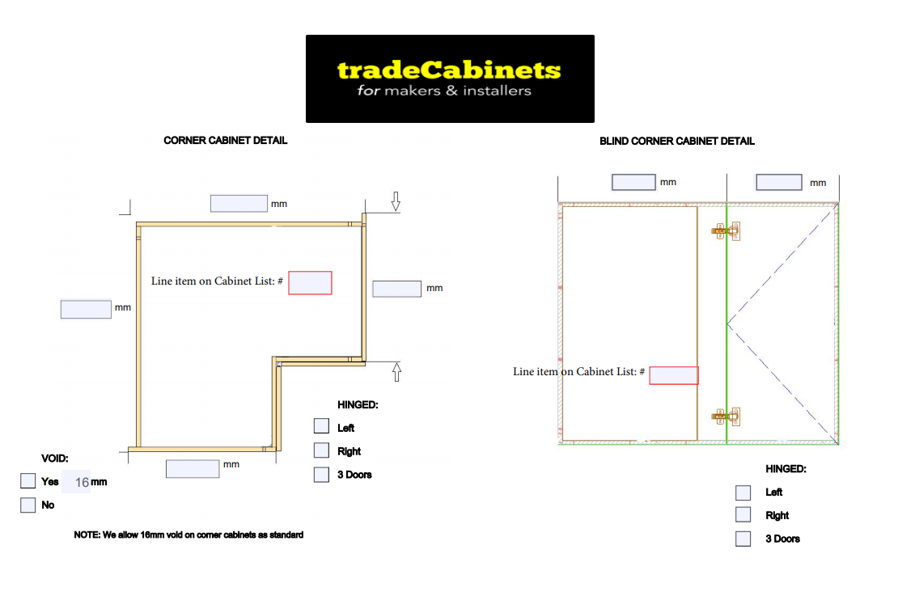
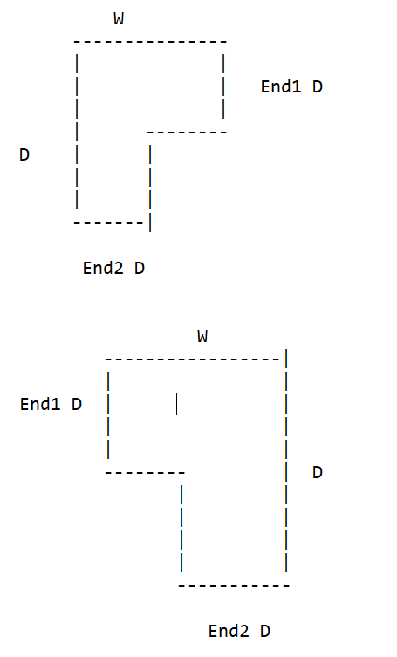

x

x
x

Rangehoods
 |  |  | BACK VIEW
RANGEHOOD -- CHUTE WITH ADJ/FIXED SHELVES | INFORMATION REQUIRED
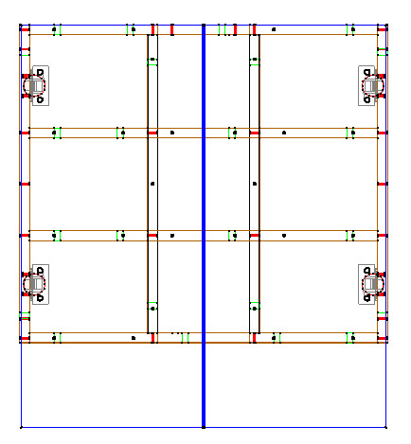
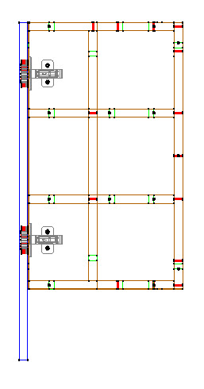
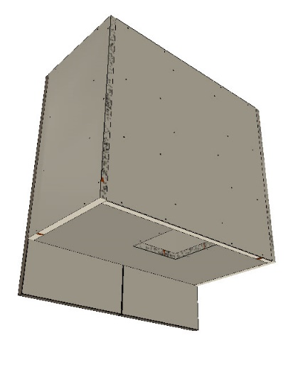
 | Chute width & depth
 | Height of bottom section
 | Bottom hinge position (from bottom of door)
 | Door height/Reveal at bottom for slideout

RANGEHOOD -- CONCEALED WITH ADJ/FIXED SHELVES
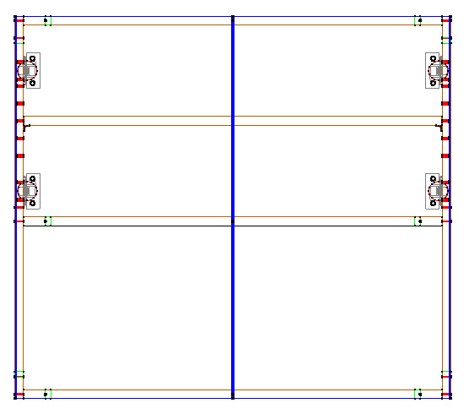
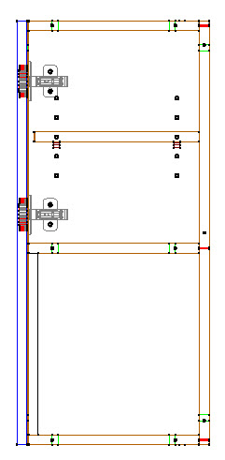
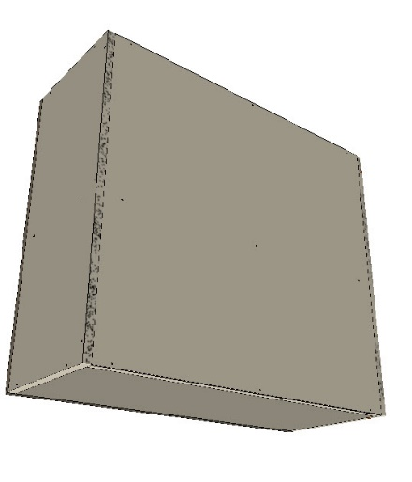
 |  | Chute or raised back
 |  | if chute, width & depth
 |  | Height of bottom sectoin
 |  | Base?
 |  | If base, cutout size
 |  | Bottom hige position (from bottom of door)

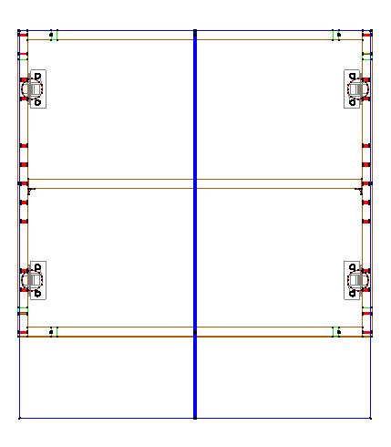
RANGEHOOD VOID WITH ADJ/FIXED SHELVES
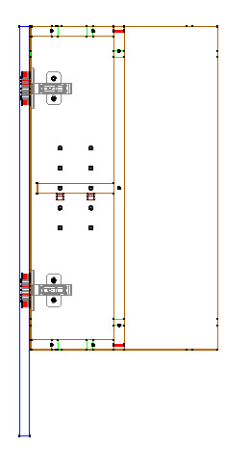
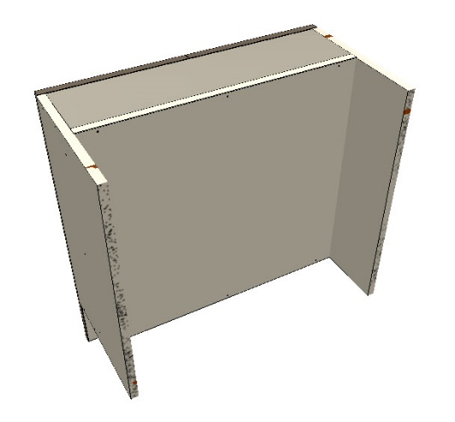
 | Height of bottom section
 | Bottom hige position (from bottom of door)
 | Door height
 | Depth of back void
 | Height of bottom void

