Cabinets
Cabinets |  | # cabinets: | 72 |  |  |  | Carcass is 16mm MR White Mel (texture finish) unless specified otherwise ** All dimensions in mm **
Send order to sales@tradecabinets.com.au Version 2.02 01/09/2020
Cab # | Room/Group | Cabinet | Qty | Cab. Dimensions Depth = CARCASS |  |  |  |  | Shelves | Solid Top? y/n | Face Material | Door Size |  | Hinge Position (3, 4, 5 from top) |  |  |  |  | GAPS (top, bottom, left, right, vertical, horizontal) |  |  |  |  | Notes 1 | Notes 2 |  | 190
 |  |  |  | H | W | D | D End 1 | D End 2 | Qty |  |  | H | W | 1 Top | 2 Bot. | 3 | 4 | 5 | T | B | L | R | Vt/Hz
JU1 - Kitchen Upper Rear Bench | Kitchen Upper Rear Bench | Upper 2 Door | 2 | 780 | 1040 | 350 |  |  | 2 | Y | C1 | 805 | 516 | 100 | 100 |  |  |  |  |  |  |  |  | door lip / overhang to 20mm bottom for fingerpull, 5mm top.Carcass front edged with C1
JU1 Rangehood integrated cupboard | Rangehood integrated cupboard | Upper 2 Door | 1 | 800 | 900 | 350 |  |  | 1 |  | C1 | 805 | 446 | 110 | 110 |  |  |  |  |  |  |  |  | door to overhang 5mm top. Hinges at 110 top and bottom to fit rangehood. Shelf at 340 above bottom fixed. Open bottom to fit rangehood. Carcass front edged with C1 | https://www.bosch-home.com.au/en/mkt-product/cooking-and-baking/rangehoods/built-in-cooker-hoods/DBB97AM60A#/Tabs=section-highlights/Togglebox=accessories/Togglebox=combinables/Togglebox=manuals/Togglebox=accessoriesOthers/
JU1 Kitchen Upper Rear Bench right | Kitchen Upper Rear Bench right | Upper 1 Door RH | 1 | 780 | 150 | 350 |  |  |  | Y | C1 | 805 | 146 | 100 | 100 |  |  |  |  |  |  |  |  | door lip / overhang to 20mm bottom for fingerpull, 5mm top. Carcass front edged C1.
JU1 - Bin Door | JU1 - Bin Door | Base 1 Door LH | 1 | 780 | 450 | 580 |  |  |  | Y | C1 | 777 | 446 | 100 | 100 |  |  |  |  |  |  |  |  | Left Hinge, underhang top 3mm. Edge front carcass C1
JU1 - Sink Cupboard | JU1 - Sink Cupboard | Base 2 Door Sink | 1 | 780 | 1000 | 580 |  |  | -- | Y | C1 | 777 | 496 | 100 | 100 |  |  |  |  |  |  |  |  | underhang top 3mm. Edge front carcass in C1.
JU3 Bottom Bar Cupboard | Bottom Bar Cupboard | Fpull - Base 1 Door RH | 2 | 780 | 535 | 585 |  |  | 1 | Y | C1 | 750 | 531 | 100 | 100 |  |  |  |  |  |  |  |  | Door to underhang 30mm top for fingerpull. Front of carcass edged C1 | For fingerpull coverpanel - 3 screw holes on top carcass evenly spaced. 1 screw from right and left panel, 30mm from top.
JU3 Bottom Bar Cupboard | Bottom Bar Cupboard | Fpull - Base 1 Door LH | 2 | 780 | 535 | 585 |  |  | 1 | Y | C1 | 750 | 531 | 100 | 100 |  |  |  |  |  |  |  |  | Door to underhang 30mm top for fingerpull. Front of carcass edged C1 | For fingerpull coverpanel - 3 screw holes on top carcass evenly spaced. 1 screw from right and left panel, 30mm from top.
JU3 Bottom cupboard next to bar | Bottom cupboard next to bar | Fpull - Base 1 Door LH | 2 | 780 | 580 | 585 |  |  | 1 | Y | C1 | 750 | 576 | 100 | 100 |  |  |  |  |  |  |  |  | Door to underhang 30mm top for fingerpull. Front of carcass edged C1 | For fingerpull coverpanel - 3 screw holes on top carcass evenly spaced. 1 screw from right and left panel, 30mm from top.
JU3Bottom cupboard next to bar | Bottom cupboard next to bar | Fpull - Base 1 Door RH | 2 | 780 | 580 | 585 |  |  | 1 | Y | C1 | 750 | 576 | 100 | 100 |  |  |  |  |  |  |  |  | Door to underhang 30mm top for fingerpull. Front of carcass edged C1 | For fingerpull coverpanel - 3 screw holes on top carcass evenly spaced. 1 screw from right and left panel, 30mm from top.
JU3 Top cupboard next to bar | Top cupboard next to bar | Tall 1 Door LH | 2 | 1810 | 580 | 585 |  |  | 3 | Y | C1 | 1820 | 576 | 100 | 100 | 700 |  |  |  |  |  |  |  | Door to overhang 10mm to top. Front of carcass edged C1
JU3 Top cupboard next to bar | Top cupboard next to bar | Tall 1 Door RH | 2 | 1810 | 580 | 585 |  |  | 3 | Y | C1 | 1820 | 576 | 100 | 100 | 700 |  |  |  |  |  |  |  | Door to overhang 10mm to top. Front of carcass edged C1
JU3 Kitchen - integrated fridge | Kitchen - integrated fridge | Tall 1 Door LH | 1 | 1815 | 600 | 580 |  |  | -- | Y | C1 | 1815 | 596 |  |  |  |  |  |  |  |  |  |  | Miele integrated fridge Front of carcass edged C1
JU3 Kitchen - integrated freezer | Kitchen - integrated freezer | Tall 1 Door RH | 1 | 1815 | 600 | 580 |  |  | -- | Y | C1 | 1815 | 596 |  |  |  |  |  |  |  |  |  |  | Miele integrated freezer. Front of carcass edged C1
JU3 Top cupboard above fridge | Top cupboard above fridge | Upper 1 Door LH | 1 | 455 | 600 | 580 |  |  |  | Y | C1 | 462 | 596 | 100 | 100 |  |  |  |  |  |  |  |  | Underhang bottom 3mm, overhang top 10mm. Front of carcass edged C1
JU3 Top cupboard above freezer | Top cupboard above freezer | Upper 1 Door RH | 1 | 455 | 600 | 580 |  |  |  | Y | C1 | 462 | 596 | 100 | 100 |  |  |  |  |  |  |  |  | Underhang bottom 3mm, overhang top 10mm. Front of carcass edged C1
JU3 Top cupboard | Top cupboard next to freezer | Tall 1 Door RH | 1 | 455 | 380 | 585 |  |  |  | Y | C1 | 462 | 376 | 100 | 100 |  |  |  |  |  |  |  |  | Underhang bottom 3mm, overhang top 10mm. Front of carcass edged C1
JU3 Bottom cupboard | Bottom cupboard next to freezer | Tall 1 Door RH | 1 | 1815 | 380 | 585 |  |  | 4 | Y | C1 | 1815 | 376 | 100 | 100 |  |  |  |  |  |  |  |  | Edge front of carcass C1 | 4 hinges. 100 from top, 100 from bottom. All others evenly spaced. Shelves evenly spaced.
JU4 cupboard pantry | Bottom cupboard pantry | Fpull - Base 1 Door RH | 2 | 780 | 500 | 580 |  |  | 1 | Y | C3 | 750 | 496 | 100 | 100 |  |  |  |  |  |  |  |  | Door to underhang 30mm top for fingerpull. Edge front of carcass C3
JU4 Bottom cupboard pantry | Bottom cupboard pantry | Fpull - Base 1 Door LH | 1 | 780 | 500 | 580 |  |  | 1 | Y | C3 | 750 | 496 | 100 | 100 |  |  |  |  |  |  |  |  | Door to underhang 30mm top for fingerpull. Edge front of carcass C3 |  | 410
JU4 Top cupboard pantry | Top cupboard pantry | Tall 1 Door RH | 2 | 1490 | 500 | 580 |  |  | 2 | Y | C3 | 1500 | 496 | 100 | 100 | 700 |  |  |  |  |  |  |  | Door to overhang 10mm to top. Front of carcass edged C3 | 4 hinges. 100 from top, 100 from bottom. All others evenly spaced. Shelves evenly spaced.
JU4 Top cupboard pantry | Top cupboard pantry | Tall 1 Door LH | 1 | 1490 | 500 | 580 |  |  | 2 | Y | C3 | 1500 | 496 | 100 | 100 | 700 |  |  |  |  |  |  |  | Door to overhang 10mm to top. Front of carcass edged C3. | 4 hinges. 100 from top, 100 from bottom. All others evenly spaced. Shelves evenly spaced.
JU4 Top cupboard Washing Machine | Top cupboard Washing Machine | Upper 1 Door LH | 1 | 840 | 600 | 300 |  |  | 1 | Y | C3 | 870 | 596 | 100 | 100 |  |  |  |  |  |  |  |  | Door to overhang 10mm to top, 20mm to bottom. Front of carcass edged C3.
...
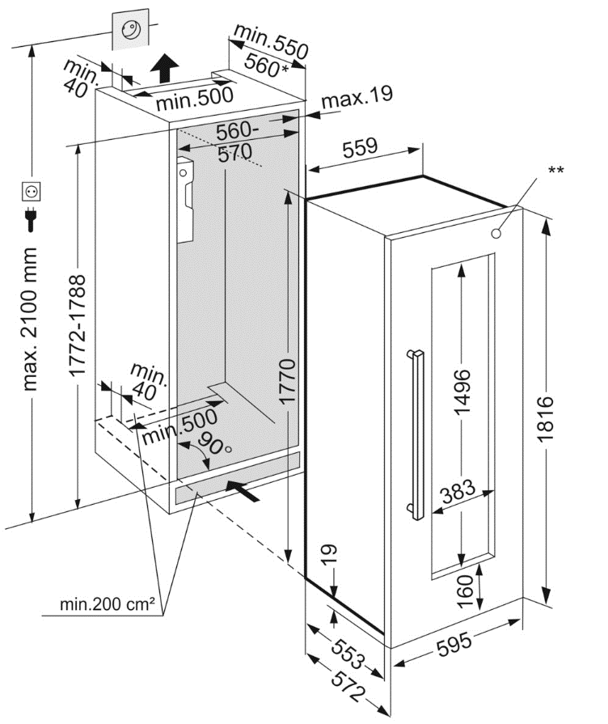
...
 |  |  |  |  |  |  |  |  |  |  |  |  |  |  |  |  |  |  |  |  |  |  |  | Notes 1 | Notes 2
 |  |  |  |  |  |  |  |  |  |  |  |  |  |  |  |  |  |  |  |  |  |  | Vt/Hz
 |  |  |  |  |  |  |  |  |  |  |  |  |  |  |  |  |  |  |  |  |  |  |  | Drawer front 1 - underhang 3mm. Edge front of carcass in C1 | Hafele No. 15 Pull Out - 2 Tier. https://www.hafelehome.com.au/products/no-15-pull-out-2-tier?srsltid=AfmBOoqat-dKvVitf5Wmy3R4PoUYQFIUl6rDekT0p170rBW5U9NqdN00
 |  |  |  |  |  |  |  |  |  |  |  |  |  |  |  |  |  |  |  |  |  |  |  | Underhang 3mm. Edge front of carcass in C1 | Blum Antaro: H1 (top drawer) M - 84mm. H2 & H3, C - 171mm Runner 650mm deepl
 |  |  |  |  |  |  |  |  |  |  |  |  |  |  |  |  |  |  |  |  |  |  |  | Drawer fronts - underhang 3mm top for fingerpull, overhang 20mm bottom. | Blum Antaro, Height M - 84mm Runner 350mm deep
 |  |  |  |  |  |  |  |  |  |  |  |  |  |  |  |  |  |  |  |  |  |  |  | Drawer fronts - underhang 3mm top. Drawer fronts in C6. Edge front of carcass C6. | Bedroom JU7 & JU8 Blum Antaro, Height C - 171mm Runner 550mm deep
 |  |  |  |  |  |  |  |  |  |  |  |  |  |  |  |  |  |  |  |  |  |  |  | Drawer fronts - underhang 3mm top. Drawer fronts in C6. Edge front of carcass C6. | Bedroom JU7 & JU8 Blum Antaro, Height C - 171mm Runner 550mm deep
 |  |  |  |  |  |  |  |  |  |  |  |  |  |  |  |  |  |  |  |  |  |  |  | Drawer fronts - underhang 3mm top. Edge front of carcass in C7. Door in C7. | Bedroom JU9 Blum Antaro, Height C - 171mm Runner 550mm deep

Job Info
Orders and enquiries: sales@tradecabinets.com.au
Version 2.02 01/09/2020
Phone: 9913 9980

Job Details TC: |  |  | Special Instructions for Office
Client Name | Josh Wasniewski
Phone | 435627084
Email | jlwasniewski@gmail.com
Job Name | 117 Union Street Brunswick
Date Ordered
Date Required
Carcass
Carcass Material |  | Other:
Carcass Edge Colour |  | Other:
...

Corner Cabs
x

x
x

