Job Info
Orders and enquiries: sales@tradecabinets.com.au
Version 2.02 01/09/2020
Phone: 9913 9980

Job Details TC: |  |  |  |  |  | Special Instructions for Office
Client Name | Josh Wasniewski
Phone | 435627084
Email | jlwasniewski@gmail.com
Job Name | 117 Union Street Brunswick
Date Ordered
Date Required
Carcass
Carcass Material |  | Other:
Carcass Edge Colour |  | Other:
Wrap Cabinets Individually
Other Materials | Supplier | Colour/Name | Finish | Thickness | Client Supply
Material 1 (C1) | New Age Veneer | Byron Blackbutt, Navurban |  | 19mm
Material 2 (C2) |  |  |  | 19mm
Material 3 (C3) | Laminex | Green Slate | Absolute Matte Finish | 19mm
Material 4 (C4) |  |  |  | 19mm
Material 5 (C5) |  |  |  | 19mm
Material 6 (C6) |  |  |  | 19mm
Material 7 (C7) |  |  |  | 19mm

Cabinet Requirements & Drilling -- Note: TC Std Construction (Back inside ends, Back over Top & Base) |  |  |  |  |  | Special Instructions for Design
Carcass Construction type: |  | -----------------------------------------------------------------Other:
Hinge Type: |  | ---------------------------------------------------------Other:
Drill Hinge Cups:
Std hinge Pos: |  | ------------------------------------------------------------Other:
Drawer Type 1: |  | --------------------------------------------------------Other: | Blum Tandembox antaro
Drawer Type 2: |  | ----------------------------------Other:
Drill Drawer Fronts:
Drill for Adjustable Legs:
Door Gaps: Base: |  | --------------------------------------------Other:
Door Gaps: Upper/Tall: |  | ----------------------------------------------Other:
Base Fingerpull: |  | ----------------------------------------Other:

Hardware Supply (tick as required) TRADE CABINETS ARE NOT CURRENTLY SUPPLYING HARDWARE
Supply All hardware |  | TRADE CABINETS ARE NOT CURRENTLY SUPPLYING HARDWARE
Supply Hinges
Supply Drawers
Supply Adj Legs
Supply Bin
Other:
Packing/Release Info
Delivery Required |  | Adress:
Wrap & Strap Pallet
Pallet Size (select) | Select Pallet Size

Cabinets
Cabinets |  | # cabinets: | 3 |  |  |  | Carcass is 16mm MR White Mel (texture finish) unless specified otherwise ** All dimensions in mm **
Send order to sales@tradecabinets.com.au Version 2.02 01/09/2020
Cab # | Room/Group | Cabinet | Qty | Cab. Dimensions Depth = CARCASS |  |  |  |  | Shelves | Solid Top? y/n | Face Material | Door Size |  | Hinge Position (3, 4, 5 from top) |  |  |  |  | GAPS (top, bottom, left, right, vertical, horizontal) |  |  |  |  | Notes 1 | Notes 2 | 190
 |  |  |  | H | W | D | D End 1 | D End 2 | Qty |  |  | H | W | 1 Top | 2 Bot. | 3 | 4 | 5 | T | B | L | R | Vt/Hz
1 | Ensuite Downstairs Vanity | Base 2 Door | 1 | 400 | 1530 | 450 |  |  |  | Y | C1 | 397 | 761 | 100 | 100 | 200 |  |  |  |  |  |  |  | Door to underhang 3mm from the top. Edge inside carcass in C1
2 | Main Bathroom Vanity | Base 2 Door | 1 | 400 | 1060 | 450 |  |  |  | Y | C1 | 397 | 526 | 100 | 100 |  |  |  |  |  |  |  |  | Door to underhang 3mm from the top. Edge inside carcass in C1
3 | Ensuite Upstairs Vanity | Base 2 Door | 1 | 400 | 1080 | 450 |  |  |  | Y | C1 | 397 | 536 | 100 | 100 |  |  |  |  |  |  |  |  | Door to underhang 3mm from the top. Edge inside carcass in C1
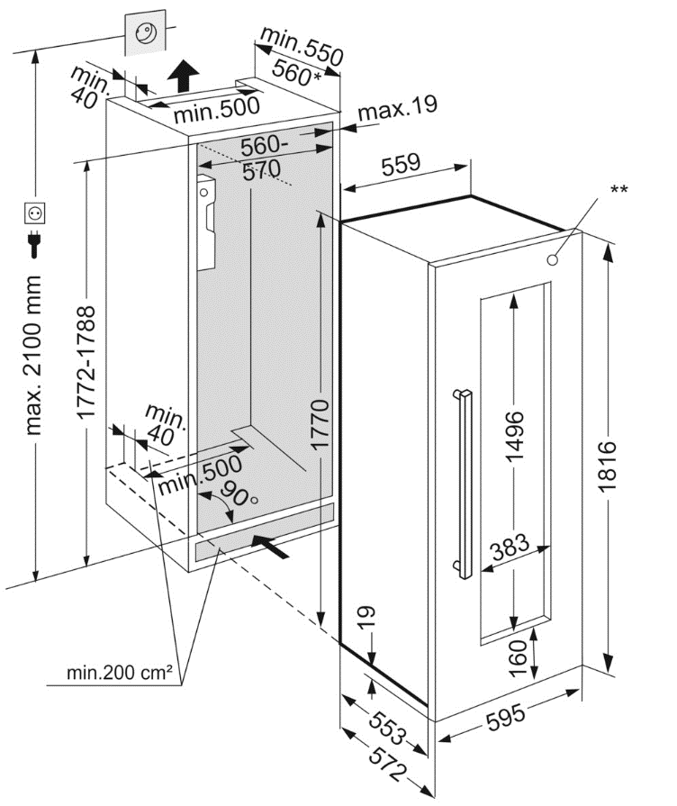

DRAWERS
Cab # | Room/Group | Cabinet | Qty | Cab. Dimensions D = CARCASS |  |  | Solid Top? | Face Material | Drw Front Width/Height (mm) If eq. put 'EQ' in height and we will work out based on specified gaps |  |  |  |  | Drw Box Heights (mm) |  |  |  | Drw Box Depth (mm) | GAPS (top, bottom, left, right, vertical, horizontal) |  |  |  |  | Notes 1 | Notes 2
 |  |  |  | H | W | D |  |  | Width | H1 (Top) | H2 | H3 | H4 | H1 (Top) | H2 | H3 | H4 |  | T | B | L | R | Vt/Hz

Corner Cabs
x

x
x

