Job Info
Orders and enquiries: sales@tradecabinets.com.au
Version 2.02 01/09/2020
Phone: 9913 9980

Job Details TC: |  |  |  |  |  |  | Special Instructions for Office
Client Name | Bec Newman - It's in the detail - Cabinetry
Phone | 0410 584 422
Email | Becjn15@outlook.com
Job Name | 302 George Street
Date Ordered | Quote - Master Bedroom
Date Required | Quote - once approved looking at janrary 2026
Carcass
Carcass Material | Polytec - price as matt range | Other:
Carcass Edge Colour | Matching | Other:
Wrap Cabinets Individually | no
Other Materials | Supplier | Colour/Name | Finish | Single / Double Sided | Thickness | Client Supply
Material 1 (C1) | J-JO1 Nav Lam Shinnoki - Pure Walnut ( Master bedroom ) |  |  | double sided | 18mm | yes
Material 2 (C2) | Polytec - price as matt range
Material 3 (C3)
Material 4 (C4)
Material 5 (C5)
Cabinet Requirements & Drilling -- Note: TC Std Construction (Back inside ends, Back over Top & Base) |  |  |  |  |  |  | Special Instructions for Design
Carcass Construction type: |  | -----------------------------------------------------------------Other:
Hinge Type: |  | ---------------------------------------------------------Other:
Drill Hinge Cups:
Std hinge Pos: |  | ------------------------------------------------------------Other:
Drawer Type 1: |  | --------------------------------------------------------Other:
Drawer Type 2: |  | ----------------------------------Other:
Drill Drawer Fronts:
Drill for Adjustable Legs:
Door Gaps: Base: |  | --------------------------------------------Other:
Door Gaps: Upper/Tall: |  | ----------------------------------------------Other:
Base Fingerpull: |  | ----------------------------------------Other:

Hardware Supply (tick as required) TRADE CABINETS ARE NOT CURRENTLY SUPPLYING HARDWARE
Supply All hardware |  | TRADE CABINETS ARE NOT CURRENTLY SUPPLYING HARDWARE
Supply Hinges
Supply Drawers
Supply Adj Legs
Supply Bin
Other:
Packing/Release Info
Delivery Required |  | Adress:
Wrap & Strap Pallet
Pallet Size (select) | Select Pallet Size

Corner Cabs
x

x
x

cab 1
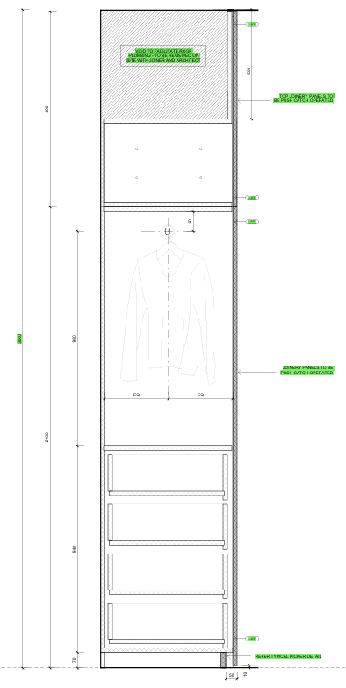
 | Nav - on black core mr mdf - Pure walnut both sides ( Holes all the way thru - 15mm Diameter - 50mm apart
 |  | 12 |  | 12
 |  | 30 =42 + o'size |  | 30 =42 + o'size

 |  | Cabinet ht 887h |  | Door Height 886
 |  |  | could be -30 |  |  | Grain matched Both doors - nav both sides ON BLACK CORE mr mdf Drilling for 4 inner drawers inner drawers fronts to match carcarcse internals We will drill for the hanging rails Upper cabinet - supply 887h with a fixed but don’t drill screw holes for it

 |  |  |  |  | 1
 |  |  |  |  | 1

 |  | Cabinet ht 2099h |  | Door Height - 2088
 |  |  | -70
 |  |  | 2029

 |  | 70 |  |  | 12mm

Sharon the thing I hope will change is the uppers - cabinets only - 30mm ( shadowline will be 42h + over sized )

