Job Info
Orders and enquiries: sales@tradecabinets.com.au
Version 2.03 11/11/2020
Phone: 9913 9980

Job Details TC: |  |  |  |  | Special Instructions for Office
Client Name | Benny Berwick
Phone | 469742029
Email | basilkondoor@gmail.com
Job Name | Kitchen
Date Ordered | 2026-05-04
Date Required | 2026-05-10
Carcass
Carcass Material |  | Other:
Carcass Edge Colour |  | Other: | cabinet face will be colour
M. Supply
Wrap Cabinets Individually
TC
Client
Other Materials | Supplier | Colour/Name | Finish | Thickness
Material 1 (C1) | Acrilam | Black | Grain | 18
Material 2 (C2) | polytech | classic white | Ashgrain | 16
Material 3 (C3)
Material 4 (C4)
Material 5 (C5)
Cabinet Requirements & Drilling -- Note: TC Std Construction (Back inside ends, Back over Top & Base) |  |  |  |  | Special Instructions for Design
Carcass Construction type: |  | -----------------------------------------------------------------Other: |  |  | some cabinet will be 46gap/30lip(76 cutout)
Hinge Type: |  | ---------------------------------------------------------Other:
Drill Hinge Cups:
Std hinge Pos: |  | ------------------------------------------------------------Other:
Drawer Type 1: |  | --------------------------------------------------------Other:
Drawer Type 2: |  | ----------------------------------Other: | Cemux H box
Drill Drawer Fronts:
Drill for Adjustable Legs:
Door Gaps: Base: |  | --------------------------------------------Other:
Door Gaps: Upper/Tall: |  | ----------------------------------------------Other:
Base Fingerpull: |  | ----------------------------------------Other: | some will be 46gap/30lip(76 cutout)

Hardware Supply (tick as required)
Supply All hardware
Supply Hinges
Supply Drawers
Supply Adj Legs
Supply Bin
Other:
Packing/Release Info
Delivery Required |  | Delivery = Yes ---------> Delivery Adress:
Wrap & Strap Pallet |  | <------------- Delivery = No Delivery Type: | Select Delivery Type
Pallet Size | 2400 x 1200

Corner Cabs
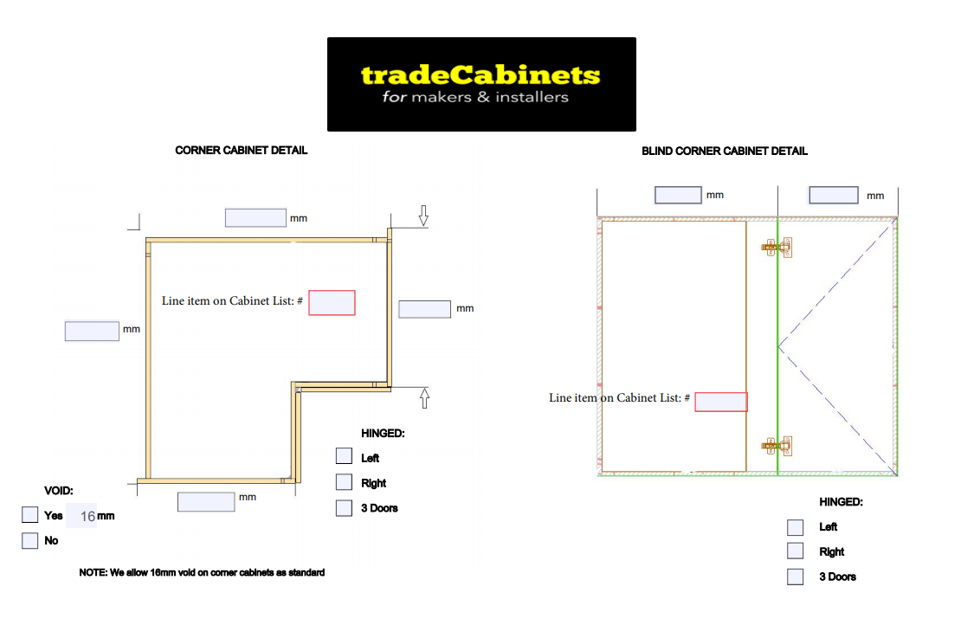
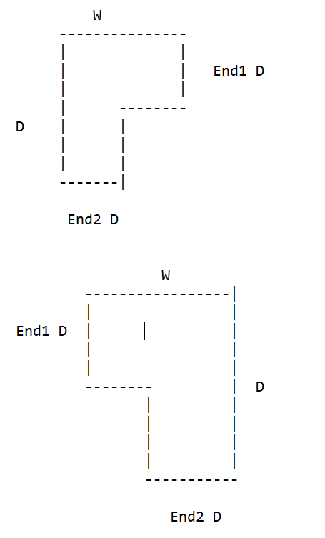

x

x
x

Rangehoods
 |  |  | BACK VIEW
RANGEHOOD -- CHUTE WITH ADJ/FIXED SHELVES | INFORMATION REQUIRED
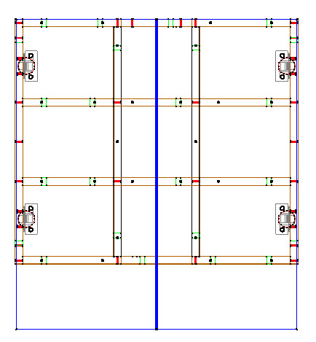
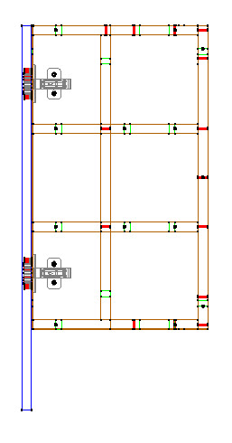
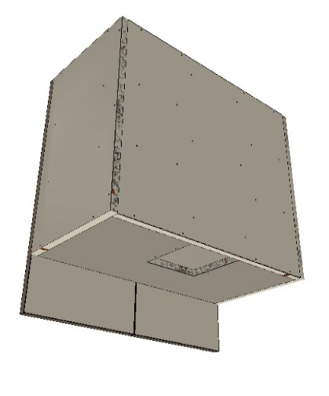
 | Chute width & depth
 | Height of bottom section
 | Bottom hinge position (from bottom of door)
 | Door height/Reveal at bottom for slideout

RANGEHOOD -- CONCEALED WITH ADJ/FIXED SHELVES
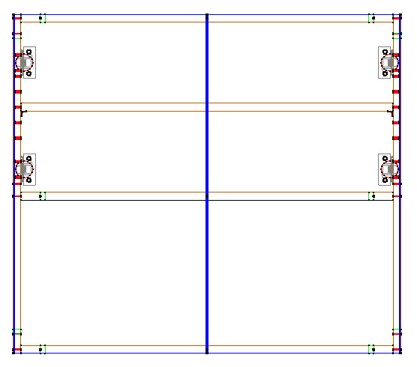
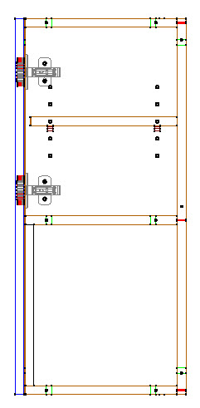
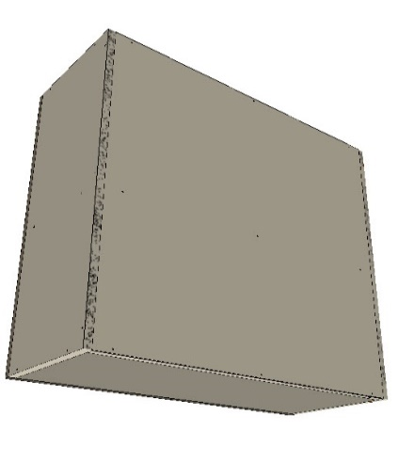
 |  | Chute or raised back
 |  | if chute, width & depth
 |  | Height of bottom sectoin
 |  | Base?
 |  | If base, cutout size
 |  | Bottom hige position (from bottom of door)

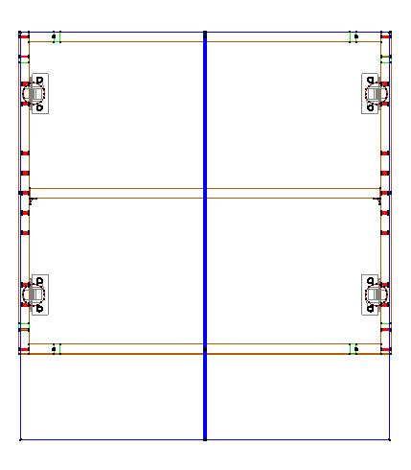
RANGEHOOD VOID WITH ADJ/FIXED SHELVES
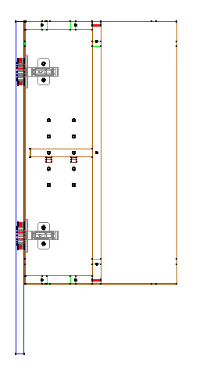
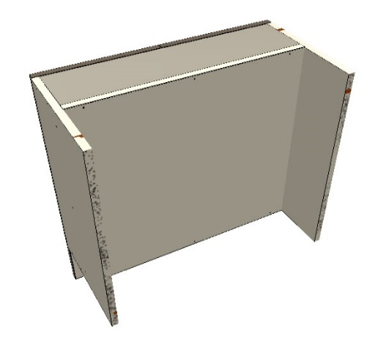
 | Height of bottom section
 | Bottom hige position (from bottom of door)
 | Door height
 | Depth of back void
 | Height of bottom void

