Job Info
Orders and enquiries: sales@tradecabinets.com.au
Version 2.02 01/09/2020
Phone: 9913 9980

Job Details TC: |  |  |  |  |  |  | Special Instructions for Office
Client Name | DBI Projects
Phone | 414987542
Email | heath@dbiprojects.com.au
Job Name | Tootell Oak
Date Ordered | 2026-05-08
Date Required
Carcass
Carcass Material | Formica Black pearl finish | Other:
Carcass Edge Colour | Black | Other:
Wrap Cabinets Individually | Yes
Other Materials | Supplier | Colour/Name | Finish | Single / Double Sided | Thickness | Client Supply
Material 1 (C1) | Laminex | Black Pearl Particle board carcase | Stiple |  | 16
Material 2 (C2) | Client | American Oak, Downgraded backs |  |  | 19 | Yes
Material 3 (C3) | Client | American Oak, Downgraded backs |  |  | 25 | Yes
Material 4 (C4)
Material 5 (C5)
Cabinet Requirements & Drilling -- Note: TC Std Construction (Back inside ends, Back over Top & Base) |  |  |  |  |  |  | Special Instructions for Design
Carcass Construction type: | TC STD | -----------------------------------------------------------------Other: |  |  |  |  | Edging for 3 drawer cabinets to be 2 top drawers 1 long bottom edge, 2 short sides, 1 Bottom drawer 2 short sides. Cabinet numbers are 1,2,4,5,8,10 for three drawer units Edging for 2 drawer cabinets to be Top drawer 1 long bottom edge, 2 short sides. Bottom drawer 2 short sides. Cabinet numbers are 6 and 7 for two drawer units.
Hinge Type: | Blum Inserta | ---------------------------------------------------------Other:
Drill Hinge Cups: | Yes
Std hinge Pos: | Yes | ------------------------------------------------------------Other:
Drawer Type 1: | Blum Legrabox | --------------------------------------------------------Other:
Drawer Type 2: |  | ----------------------------------Other:
Drill Drawer Fronts: | Yes
Drill for Adjustable Legs: | No
Door Gaps: Base: | 2mm | --------------------------------------------Other:
Door Gaps: Upper/Tall: | 2mm | ----------------------------------------------Other:
Base Fingerpull: |  | ----------------------------------------Other:

Hardware Supply (tick as required) TRADE CABINETS ARE NOT CURRENTLY SUPPLYING HARDWARE
Supply All hardware |  | TRADE CABINETS ARE NOT CURRENTLY SUPPLYING HARDWARE
Supply Hinges
Supply Drawers
Supply Adj Legs
Supply Bin
Other:
Packing/Release Info
Delivery Required |  | Adress:
Wrap & Strap Pallet
Pallet Size (select) | 1800 x 1200

Corner Cabs
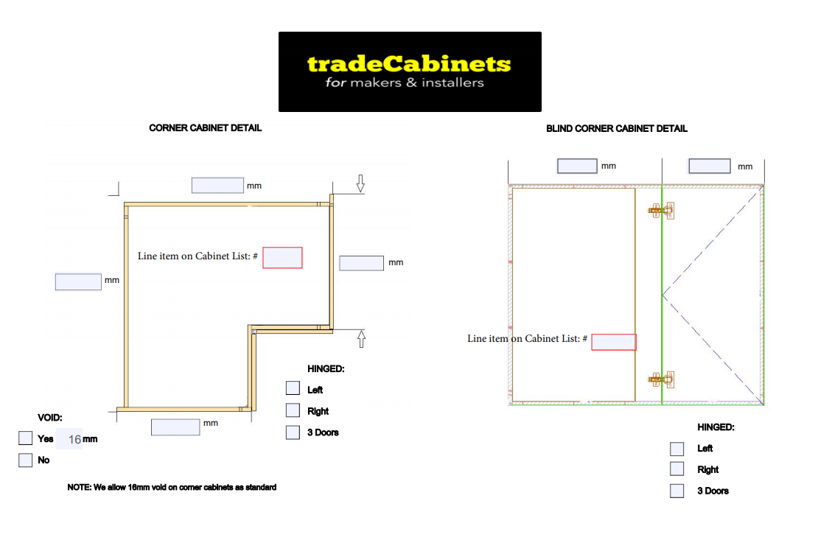
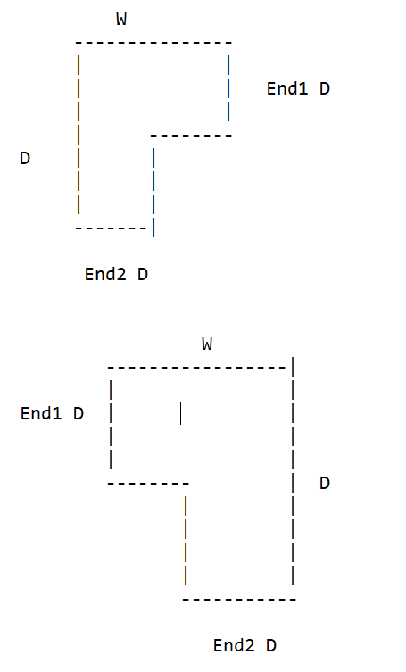

x

x
x

Rangehoods
 |  |  | BACK VIEW
RANGEHOOD -- CHUTE WITH ADJ/FIXED SHELVES | INFORMATION REQUIRED
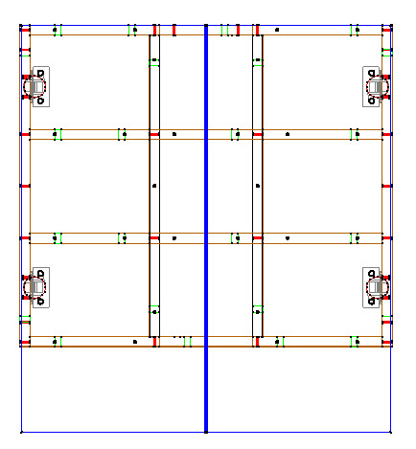
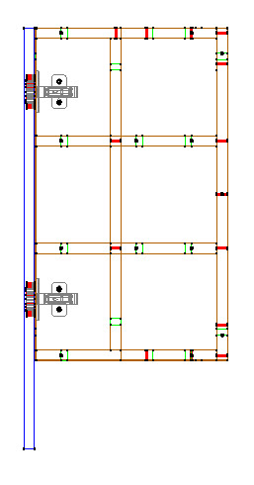
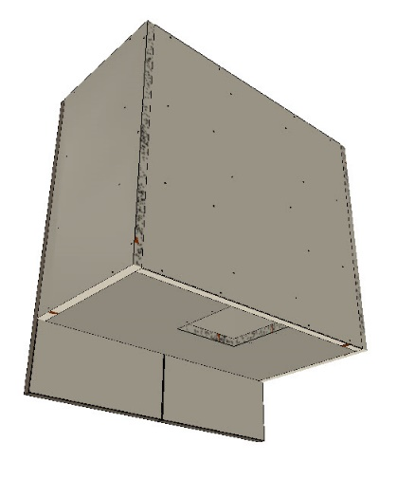
 | Chute width & depth
 | Height of bottom section
 | Bottom hinge position (from bottom of door)
 | Door height/Reveal at bottom for slideout

RANGEHOOD -- CONCEALED WITH ADJ/FIXED SHELVES
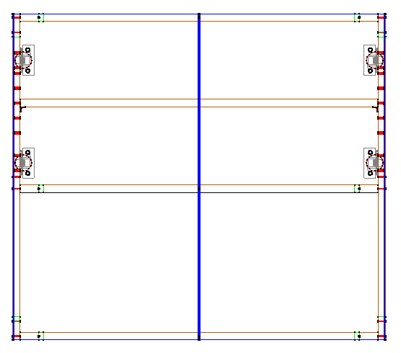
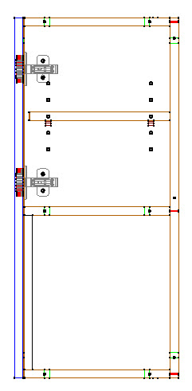
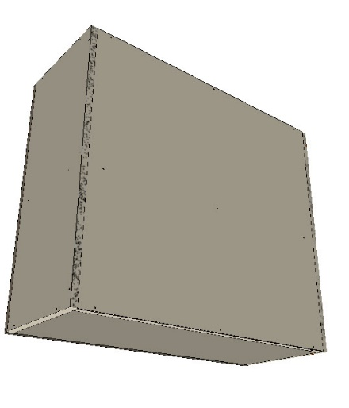
 |  | Chute or raised back
 |  | if chute, width & depth
 |  | Height of bottom sectoin
 |  | Base?
 |  | If base, cutout size
 |  | Bottom hige position (from bottom of door)

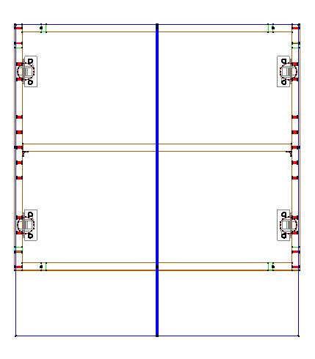
RANGEHOOD VOID WITH ADJ/FIXED SHELVES
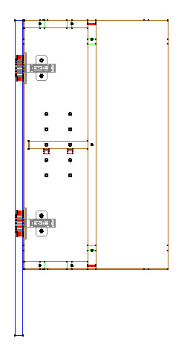
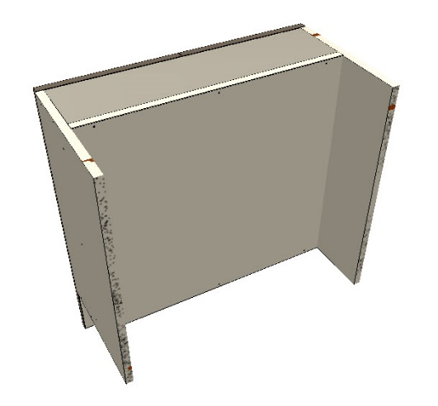
 | Height of bottom section
 | Bottom hige position (from bottom of door)
 | Door height
 | Depth of back void
 | Height of bottom void

